Test Report
Default Test Run Report

Project Name |  |  | Project 1
User Name |  |  | melab
Test Name |  |  | MTS EM Compression (Simplified) 6
Test Run Name |  |  | Test Run 2
Test Run Date |  |  | 3/27/2021 11:13:46 PM

Test Run Review Graph
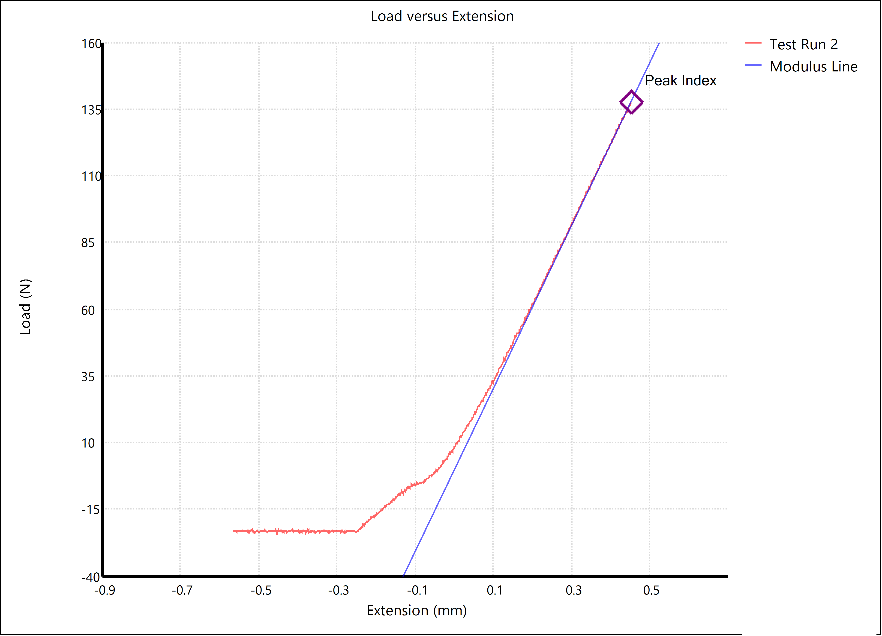

Test Run Results:
Display Name | Value | Unit
Test Run End Reason | Test Stopped
Peak Stress | 493.6 | lbf/in²
Peak Load | 30.849 | lbf
Width | 0.500 | in
Thickness | 0.125 | in

